Q2
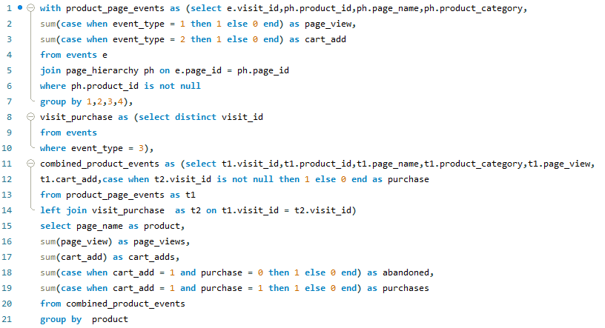
Q | What is the distribution of number of views, cart adds, abandon and purchase for each product? | O/P | product | page_views | cart_adds | abandoned | purchases
 |  |  | Russian Caviar | 1563 | 946 | 249 | 697
 |  |  | Lobster | 1547 | 968 | 214 | 754
QUERY |  |  | Crab | 1564 | 949 | 230 | 719
 |  |  | Oyster | 1568 | 943 | 217 | 726
 |  |  | Kingfish | 1559 | 920 | 213 | 707
 |  |  | Tuna | 1515 | 931 | 234 | 697
 |  |  | Black Truffle | 1469 | 924 | 217 | 707
 |  |  | Abalone | 1525 | 932 | 233 | 699
 |  |  | Salmon | 1559 | 938 | 227 | 711

 |  | INSIGHT
 |  |  | The data reveals varying levels of user engagement across products. "Lobster" and "Crab" exhibit high interest, while "Black Truffle" shows comparatively lower engagement. Understanding these patterns can guide targeted marketing strategies and inventory management decisions.

Q3
Q | What are the conversion rates for add-to-cart-to-purchase, page-view-to-purchase, page-view-to-cart-add and cart add to abandoned along with their respective averages, for each product?

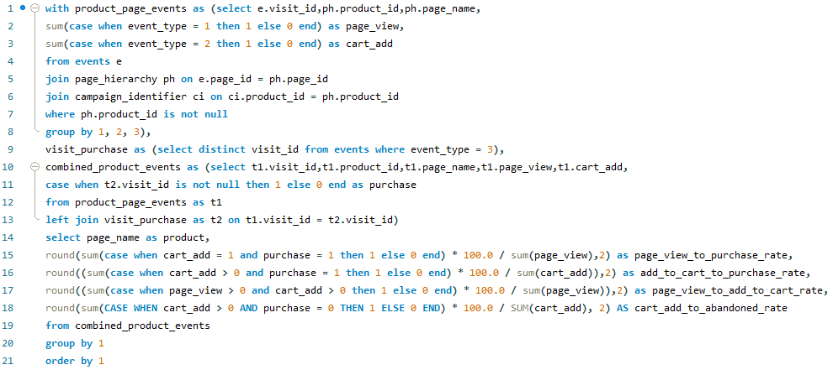
 |  | O/P | product | page_view_to_purchase_rate | add_to_cart_to_purchase_rate | page_view_to_add_to_cart_rate | cart_add_to_abandoned_rate
QUERY |  |  | Abalone | 45.84 | 75.00 | 61.11 | 25.00
 |  |  | Black Truffle | 48.13 | 76.52 | 62.90 | 23.48
 |  |  | Crab | 45.97 | 75.76 | 60.68 | 24.24
 |  |  | Kingfish | 45.35 | 76.85 | 59.01 | 23.15
 |  |  | Lobster | 48.74 | 77.89 | 62.57 | 22.11
 |  |  | Oyster | 46.30 | 76.99 | 60.14 | 23.01
 |  |  | Russian Caviar | 44.59 | 73.68 | 60.52 | 26.32
 |  |  | Salmon | 45.61 | 75.80 | 60.17 | 24.20
 |  |  | Tuna | 46.01 | 74.87 | 61.45 | 25.13
 |  | INSIGHT
 |  | Product conversion rates highlight distinct user engagement patterns. For instance, "Lobster" boasts high add-to-cart-to-purchase rates, indicating strong purchase intent. Conversely, "Russian Caviar" exhibits lower page-view-to-purchase rates, signaling potential areas for improvement in conversion funnel efficiency.

Q4
Q | Which product category are frequently viewed together or purchased together during a campaign?

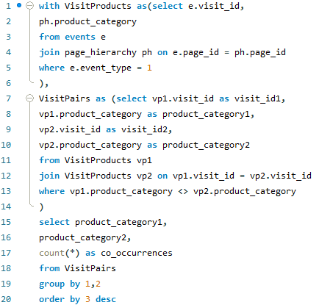
QUERY |  | O/P | product_category1 | product_category2 | co_occurrences
 |  |  | Shellfish | Fish | 11349
 |  |  | Fish | Shellfish | 11349
 |  |  | Shellfish | Luxury | 7392
 |  |  | Luxury | Shellfish | 7392
 |  |  | Luxury | Fish | 5515
 |  |  | Fish | Luxury | 5515

 |  | INSIGHT
 |  |  | Products in the "Shellfish" and "Fish" categories exhibit the highest co-occurrences, indicating strong association in user interactions. This suggests that campaigns featuring these categories together may yield mutually reinforcing engagement and purchase behaviors.

Q5
Q | What is the count of events for each product category?
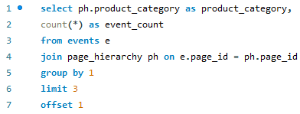
 |  |  | INSIGHT
QUERY
 |  |  | The "Shellfish" category has the highest event count, followed by "Fish" and "Luxury" categories, implying greater user engagement or product variety in those categories.

O/P | product_category | event_count
 | Luxury | 4902
 | Shellfish | 9996
 | Fish | 7422

Q6
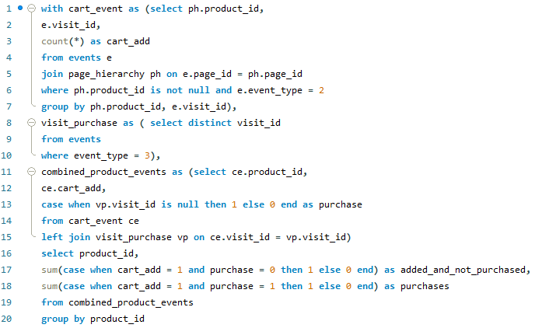
Q | How many times was each product added to a cart but not purchased and purchased count?
 |  | O/P | product_id | added_and_not_purchased | purchases
 |  |  | 7 | 754 | 214
QUERY |  |  | 8 | 719 | 230
 |  |  | 9 | 726 | 217
 |  |  | 2 | 707 | 213
 |  |  | 3 | 697 | 234
 |  |  | 6 | 699 | 233
 |  |  | 5 | 707 | 217
 |  |  | 4 | 697 | 249
 |  |  | 1 | 711 | 227

 |  | INSIGHT
 |  |  | The product with ID 7 had the highest number of additions to the cart without purchases, while the product with ID 4 had the highest number of purchases, indicating potential areas for optimization in the conversion funnel.

Q7
Q | What is the number of views,cart adds,add to cart but not purchasedd and purchased for each product category?
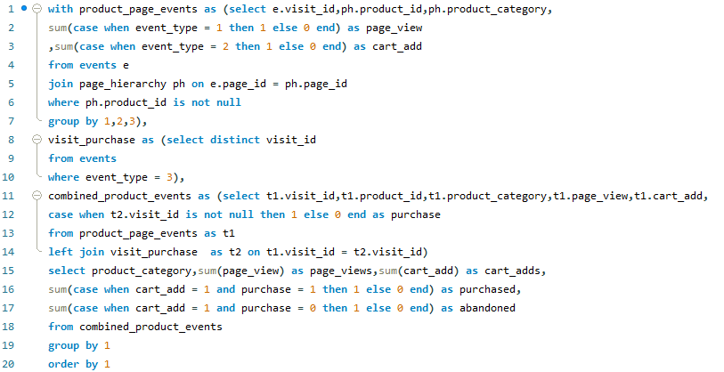

QUERY |  | O/P | product_category | page_views | cart_adds | purchased | abandoned
 |  |  | Fish | 4633 | 2789 | 2115 | 674
 |  |  | Luxury | 3032 | 1870 | 1404 | 466
 |  |  | Shellfish | 6204 | 3792 | 2898 | 894

 |  |  | INSIGHT

 |  |  | For the "Fish" category, there were 4633 views, 2789 cart additions, 2115 purchases, and 674 abandoned carts. In the "Luxury" category, there were 3032 views, 1870 cart additions, 1404 purchases, and 466 abandoned carts. In the "Shellfish" category, there were 6204 views, 3792 cart additions, 2898 purchases, and 894 abandoned carts.

Q8
Q | What are the conversion rates for add-to-cart-to-purchase, page-view-to-purchase, page-view-to-cart-add and cart add to abandoned for each product category?

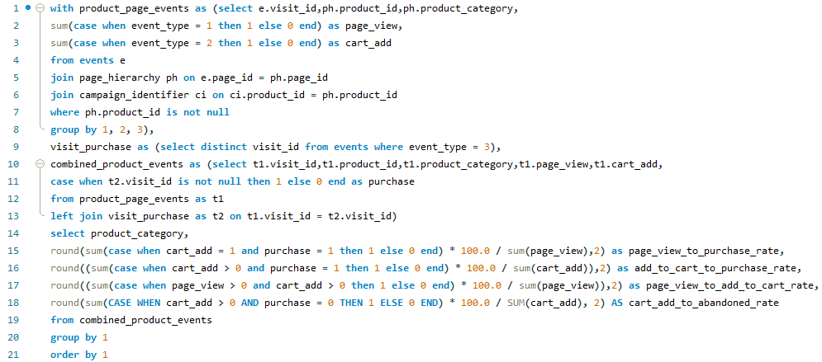
 |  | O/P | product | page_view_to_purchase_rate | add_to_cart_to_purchase_rate | page_view_to_add_to_cart_rate | cart_add_to_abandoned_rate
QUERY |  |  | Fish | 45.65 | 75.83 | 60.20 | 24.17
 |  |  | Luxury | 46.31 | 75.08 | 61.68 | 24.92
 |  |  | Shellfish | 46.71 | 76.42 | 61.12 | 23.58

 |  |  | INSIGHT

 |  |  | The analysis highlights varying purchase conversion rates across product categories. "Shellfish" products exhibit the highest conversion rates, indicating strong consumer engagement, followed by "Luxury" items, while "Fish" products show moderate conversion rates. These insights can guide targeted marketing efforts for each category.

Q9
Q | What are the products added to the cart by users during their website visits?
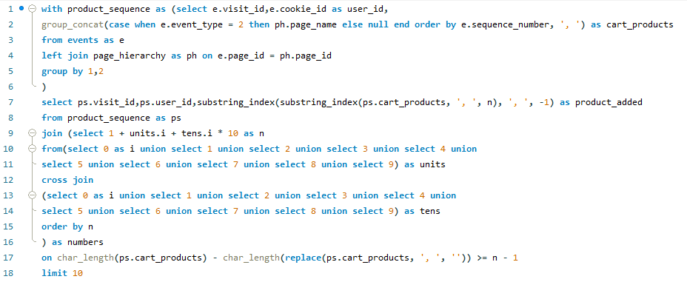

QUERY |  | O/P | visit_id | user_id | product_added | INSIGHT
 |  |  | 1597 | 73c7ab | Salmon,Russian Caviar,Black Truffle,Lobster,Crab,Oyster | The data reveals the assortment of products users added to their carts during website visits, highlighting popular choices such as Salmon, Russian Caviar, and Black Truffle. These insights can guide inventory and marketing strategies for targeted promotions on frequently added items.
 |  |  | 0048b2 | 02ab48 | Kingfish,Russian Caviar,Abalone,Lobster
 |  |  | 004aaf | b0240a | Tuna,Lobster
 |  |  | 005fe7 | 277b97 | Kingfish,Black Truffle,Crab,Oyster
 |  |  | 006a61 | b6f047 | Tuna,Russian Caviar,Black Truffle,Abalone,Crab
 |  |  | 006f7f | d46a1c | Tuna
 |  |  | 7330 | 2421fc | Salmon,Kingfish,Tuna,Russian Caviar,Black Truffle,Abalone,Lobster,Oyster
 |  |  | 009e0e | 28d52e | Kingfish,Tuna,Black Truffle,Abalone,Lobster
 |  |  | 00b0a0 | 97b3d3 | Tuna,Lobster,Crab
 |  |  | 00b161 | 718f49 | Kingfish,Tuna,Abalone,Lobster,Crab,Oyster

Q10
Q | Analyze common sequences of products added to the cart?


QUERY |  |  | O/P | previous_product_name | current_product_name | sequence_count
 |  |  |  | Lobster | Crab | 436
 |  |  |  | Abalone | Lobster | 424
 |  |  |  | Tuna | Russian Caviar | 422
 |  |  |  | Crab | Oyster | 418
 |  |  |  | Kingfish | Tuna | 409
 |  |  |  | Black Truffle | Abalone | 405
 |  |  |  | Russian Caviar | Black Truffle | 404
 |  |  |  | Salmon | Kingfish | 395
 |  |  |  | Oyster | Salmon | 275
 |  |  |  | Russian Caviar | Abalone | 216
 |  |  |  | Lobster | Oyster | 208
 | INSIGHT | The data provides insights into common sequences of products added to the cart, revealing frequent transitions between items. Notable sequences include Lobster followed by Crab, Abalone followed by Lobster, and Tuna followed by Russian Caviar, suggesting potential product pairings or complementary offerings for targeted marketing strategies. |  | Black Truffle | Lobster | 196
 |  |  |  | Tuna | Black Truffle | 191
 |  |  |  | Kingfish | Russian Caviar | 185
 |  |  |  | Salmon | Tuna | 184
 |  |  |  | Abalone | Crab | 183
 |  |  |  | Oyster | Kingfish | 168
 |  |  |  | Crab | Salmon | 167
 |  |  |  | Salmon | Russian Caviar | 117
 |  |  |  | Abalone | Oyster | 116
 |  |  |  | Kingfish | Black Truffle | 113
 |  |  |  | Black Truffle | Crab | 111
 |  |  |  | Lobster | Salmon | 102
 |  |  |  | Russian Caviar | Lobster | 98
 |  |  |  | Crab | Kingfish | 98
 |  |  |  | Tuna | Abalone | 97
 |  |  |  | Oyster | Tuna | 91
 |  |  |  | Tuna | Lobster | 86
 |  |  |  | Russian Caviar | Crab | 77
 |  |  |  | Salmon | Black Truffle | 77
 |  |  |  | Kingfish | Abalone | 70
 |  |  |  | Black Truffle | Oyster | 64
 |  |  |  | Oyster | Russian Caviar | 61
 |  |  |  | Crab | Tuna | 61
 |  |  |  | Abalone | Salmon | 58
 |  |  |  | Black Truffle | Salmon | 50
 |  |  |  | Kingfish | Lobster | 46
 |  |  |  | Oyster | Black Truffle | 46
 |  |  |  | Salmon | Abalone | 45
 |  |  |  | Lobster | Tuna | 43
 |  |  |  | Lobster | Kingfish | 43
 |  |  |  | Crab | Russian Caviar | 43
 |  |  |  | Oyster | Lobster | 41
 |  |  |  | Russian Caviar | Salmon | 41
 |  |  |  | Kingfish | Crab | 41
 |  |  |  | Oyster | Abalone | 39
 |  |  |  | Salmon | Lobster | 38
 |  |  |  | Tuna | Crab | 37
 |  |  |  | Abalone | Kingfish | 37
 |  |  |  | Russian Caviar | Oyster | 33
 |  |  |  | Tuna | Salmon | 31
 |  |  |  | Black Truffle | Kingfish | 30
 |  |  |  | Lobster | Russian Caviar | 28
 |  |  |  | Abalone | Tuna | 28
 |  |  |  | Russian Caviar | Kingfish | 28
 |  |  |  | Tuna | Oyster | 27
 |  |  |  | Salmon | Oyster | 25
 |  |  |  | Salmon | Crab | 23
 |  |  |  | Kingfish | Salmon | 22
 |  |  |  | Crab | Black Truffle | 21
 |  |  |  | Kingfish | Oyster | 20
 |  |  |  | Oyster | Oyster | 20
 |  |  |  | Salmon | Salmon | 20
 |  |  |  | Abalone | Russian Caviar | 19
 |  |  |  | Oyster | Crab | 18
 |  |  |  | Crab | Abalone | 17
 |  |  |  | Abalone | Black Truffle | 17
 |  |  |  | Lobster | Abalone | 16
 |  |  |  | Lobster | Black Truffle | 16
 |  |  |  | Crab | Lobster | 14
 |  |  |  | Russian Caviar | Tuna | 13
 |  |  |  | Black Truffle | Tuna | 13
 |  |  |  | Black Truffle | Russian Caviar | 12
 |  |  |  | Tuna | Kingfish | 11
 |  |  |  | Black Truffle | Black Truffle | 10
 |  |  |  | Russian Caviar | Russian Caviar | 9
 |  |  |  | Kingfish | Kingfish | 9
 |  |  |  | Crab | Crab | 8
 |  |  |  | Lobster | Lobster | 8
 |  |  |  | Tuna | Tuna | 7
 |  |  |  | Abalone | Abalone | 6

